Test Auto
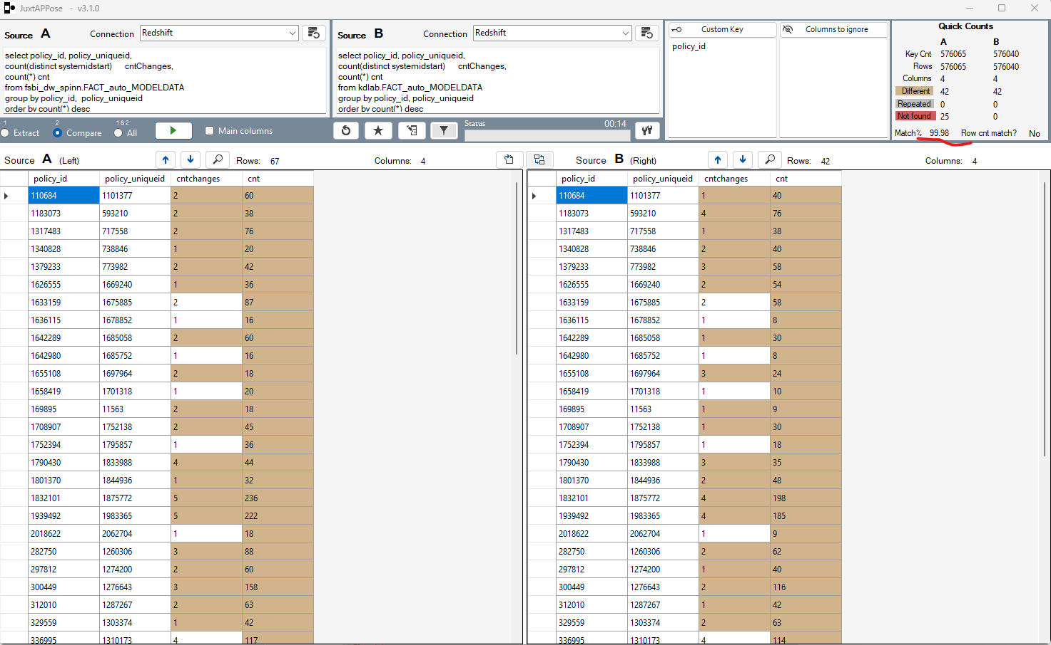
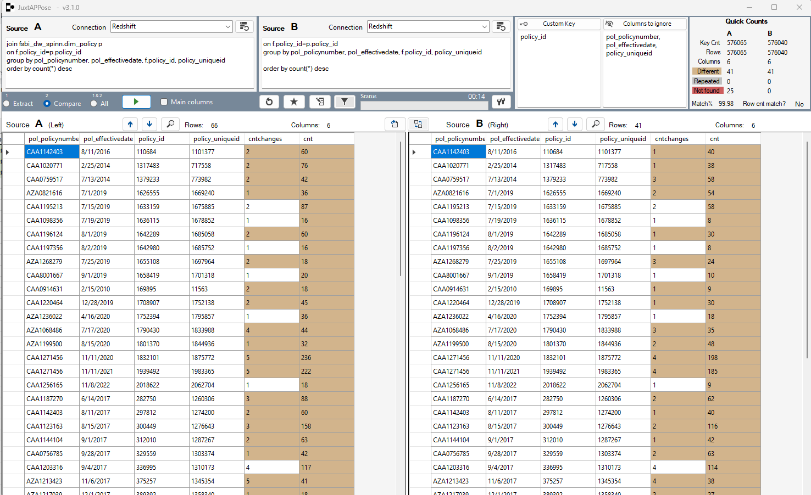
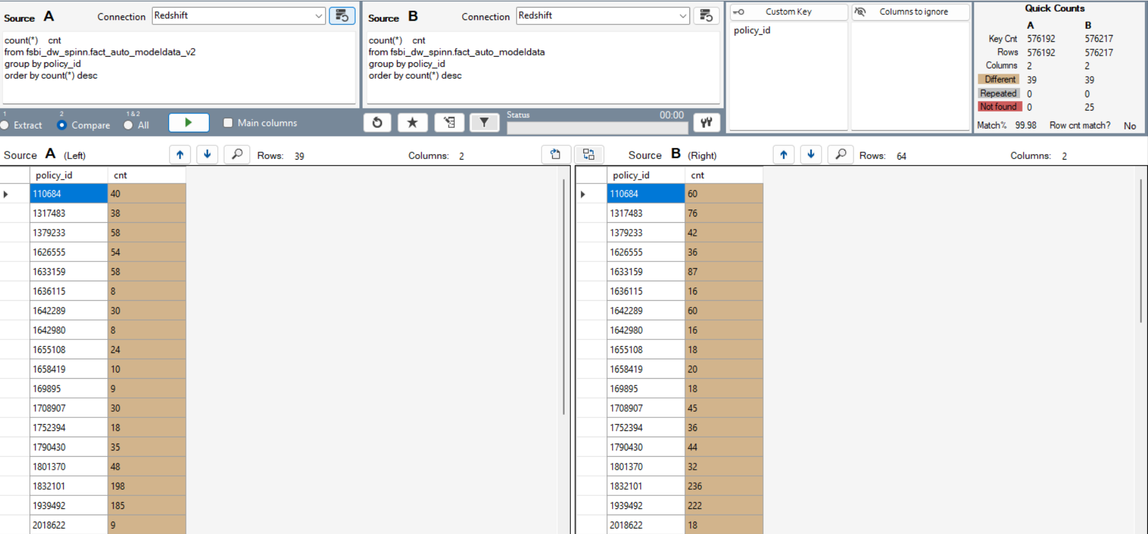
call kdlab.sp_stg_auto_modeldata(GetDate());
call kdlab.sp_fact_auto_modeldata(GetDate()); |  |  |  |  |  | Different reasons: mostly because 2 systems defines changes in different way. Sometimes one of them found a difference and the other did not. I added upper() for string comparizon but it did not improve the situation.
 |  |  |  |  |  | Extra policies from PROD-ETL are cancelled and it's wrong to have them in the fact table. Redshift is better but not in all cases.
 |  |  | After adding UPPER in comparision
select count(*) from kdlab.fact_auto_modeldata; |  | 16411308 | 16411244 |  |  | 99.98% match
select count(*) from fsbi_dw_spinn.fact_auto_modeldata; |  | -16412178 | -16412178
 |  | -870 | -934
16411308
-16412178
-870

select pol_policynumber, pol_effectivedate, f.policy_id, policy_uniqueid, |  |  |  | select pol_policynumber, pol_effectivedate, f.policy_id, policy_uniqueid,
count(distinct systemidstart) | cntChanges, |  |  | count(distinct systemidstart) | cntChanges,
count(*) cnt |  |  |  | count(*) cnt
from fsbi_dw_spinn.FACT_auto_MODELDATA | f |  |  | from kdlab.FACT_auto_MODELDATA | f
join fsbi_dw_spinn.dim_policy p |  |  |  | join fsbi_dw_spinn.dim_policy p
on f.policy_id=p.policy_id |  |  |  | on f.policy_id=p.policy_id
group by pol_policynumber, pol_effectivedate, f.policy_id, policy_uniqueid |  |  |  | group by pol_policynumber, pol_effectivedate, f.policy_id, policy_uniqueid
order by count(*) desc |  |  |  | order by count(*) desc

